FAM-INC
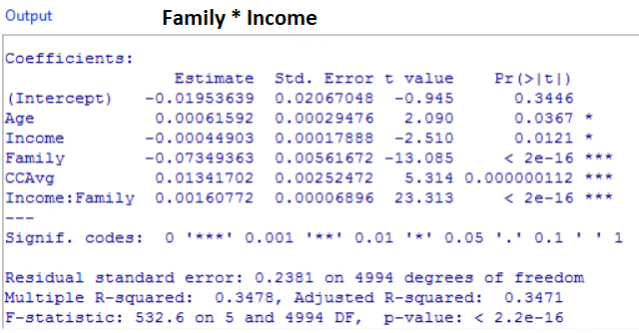
DUMMY: > STATISTICS> FIT MODELS> LINEAR MODEL |  |  |  |  |  | VARIABLES | COEFFICIENT | VALUE | COEFF*VALUE
MODERATING EFFECT CHANGING SLOPE DEPENDING ON AGE |  |  |  |  |  | (Intercept) | -0.1953639 | 1 | -0.1953639
LINEAR MODEL W/FAMILY * INCOME |  |  |  |  |  | Age | 0.00061592 | 40 | 0.0246368
Coefficients: | Estimate | Std. Error | z value | Pr(>|z|) |  | Income | -0.00044903 | 80 | -0.0359224
(Intercept) | -0.1953639 | 0.02067048 | -0.095 | 0.3446 |  | Family | -0.07349363 | 5 | -0.36746815
Age | 0.00061592 | 0.00029476 | 2.090 | 0.0367 |  | CCAvg | 0.01341702 | 2 | 0.02683404
Income | -0.00044903 | 0.00017888 | -2.510 | 0.0121 |  | Age:Income | 0.00160772 | ?? | ??
Family | -0.07349363 | 0.0561672 | -13.085 | < 2e-16'
CCAvg | 0.01341702 | 0.0025247 | 5.314 | 1.12E-07 |  |  |  | SUM | -0.54728361
Income:Family | 0.00160772 | 0.00006896 | 23.313 | < 2e-16' | <<slope |  |  | EXP(SUM) | 0.5785191616
slope: | 0.00222364 |  |  |  |  |  |  | PROBABILITY | 0.3665
Residual standard error: 0.2381 on 4994 degrees of freedom
Multiple R-squared: 0.3478, |  | Adjusted R-squared: 0.3471
F-statistic: 532.6 on 5 and 4994 DF, p-value: < 2.2e-16

LINEAR only
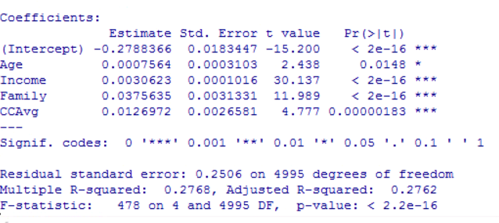
DUMMY: > STATISTICS> FIT MODELS> LINEAR MODEL |  |  |  |  | VARIABLES | COEFFICIENT | VALUE | COEFF*VALUE
MODERATING EFFECT CHANGING SLOPE DEPENDING ON AGE |  |  |  |  | INTERCEPT | -0.2788366 | 1 | -0.2788366
LINEAR ONLY |  |  |  |  | AGE | 0.0007564 | 40 | 0.030256
Coefficients: | Estimate | Std. Error | z value | Pr(>|z|) | INCOME | 0.0030623 | 80 | 0.244984
(Intercept) | -0.2788366 | 0.0183447 | -15.200 | < 2e-16' | FAMILY | 0.0375635 | 5 | 0.1878175
Age | 0.0007564 | 0.003103 | 2.438 | 0.0148 | CCAVG | 0.0126972 | 2 | 0.0253944
Income | 0.0030623 | 0.0001016 | 30.137 | < 2e-16'
Family | 0.0375635 | 0.0031331 | 11.989 | < 2e-16' |  |  | SUM | 0.2096153
CCAvg | 0.0126972 | 0.0026581 | 4.777 | 0.00000183 |  |  | EXP(SUM) | 1.2332035553
 |  |  |  |  |  |  | PROBABILITY | 0.5522
Residual standard error: 0.2506 on 4995 degrees of freedom
Multiple R-squared: 0.2768, |  | Adjusted R-squared: 0.2762
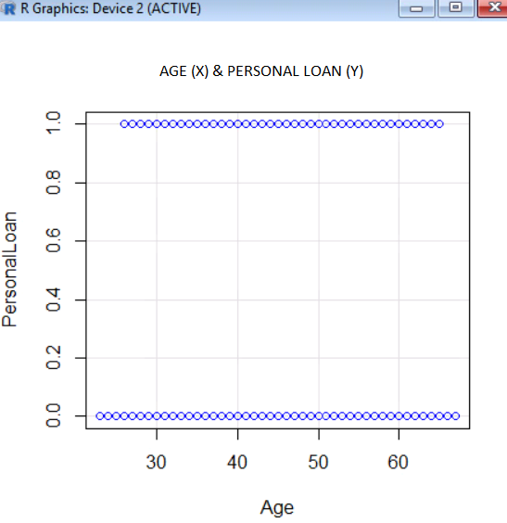
F-statistic: 478 on 4 and 4995 DF, p-value: < 2.2e-16

AGE-INC
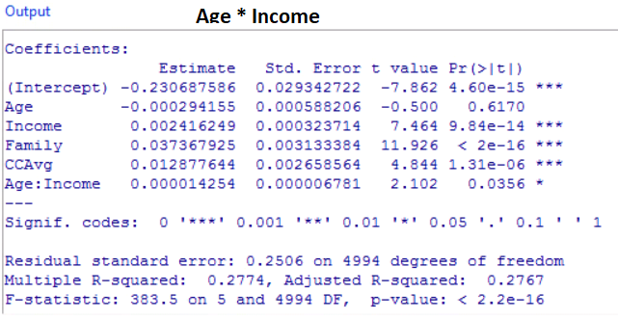
DUMMY: > STATISTICS> FIT MODELS> LINEAR MODEL |  |  |  |  |  | VARIABLES | COEFFICIENT | VALUE | COEFF*VALUE
MODERATING EFFECT CHANGING SLOPE DEPENDING ON AGE |  |  |  |  |  | (Intercept) | -0.230687586 | 1 | -0.230687586
LINEAR MODEL W/AGE * INCOME |  |  |  |  |  | Age | -0.000294155 | 40 | -0.0117662
Coefficients: | Estimate | Std. Error | z value | Pr(>|z|) |  | Income | 0.002416249 | 80 | 0.19329992
(Intercept) | -0.230687586 | 0.029342722 | -7.862 | 4.60E-15 |  | Family | 0.037367925 | 5 | 0.186839625
Age | -0.000294155 | 0.000588206 | -0.500 | 0.617 |  | CCAvg | 0.012877644 | 2 | 0.025755288
Income | 0.002416249 | 0.000323714 | 7.464 | 9.84E-14 |  | Age:Income | 0.000014254 | ?? | ??
Family | 0.037367925 | 0.003133384 | 11.926 | < 2e-16'
CCAvg | 0.012877644 | 0.002658564 | 4.844 | 1.31E-06 |  |  |  | SUM | 0.163441047
Age:Income | 0.000014254 | 0.000006781 | 2.102 | 0.0356 | <<slope |  |  | EXP(SUM) | 1.1775559327
slope: | -0.000279901 |  |  |  |  |  |  | PROBABILITY | 0.5408
Residual standard error: 0.2506 on 4995 degrees of freedom
Multiple R-squared: 0.2774, Adjusted R-squared: 0.2767 |  | Adjusted R-squared: 0.2762
F-statistic: 383.5 on 5 and 4994 DF, p-value: < 2.2e-16

AFE-FAM
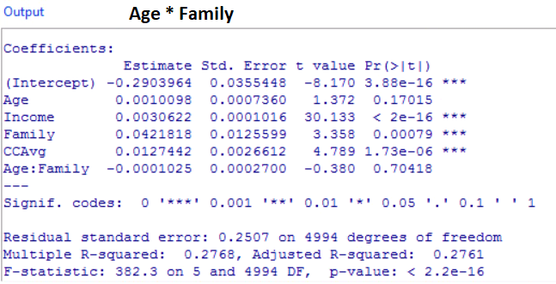
DUMMY: > STATISTICS> FIT MODELS> LINEAR MODEL |  |  |  |  |  | VARIABLES | COEFFICIENT | VALUE | COEFF*VALUE
MODERATING EFFECT CHANGING SLOPE DEPENDING ON AGE |  |  |  |  |  | (Intercept) | -0.2903964 | 1 | -0.2903964
LINEAR MODEL W/AGE * FAMILY |  |  |  |  |  | Age | 0.0010098 | 40 | 0.040392
Coefficients: | Estimate | Std. Error | z value | Pr(>|z|) |  | Income | 0.0030622 | 80 | 0.244976
(Intercept) | -0.2903964 | 0.0355448 | -8.170 | 3.88E-16 |  | Family | 0.0421818 | 5 | 0.210909
Age | 0.0010098 | 0.000736 | 1.372 | 0.17015 |  | CCAvg | 0.0127442 | 2 | 0.0254884
Income | 0.0030622 | 0.0001016 | 30.133 | 0.00079 |  | Age:Income | 0.0001025 | ?? | ??
Family | 0.0421818 | 0.0125599 | 3.358 | < 2e-16'
CCAvg | 0.0127442 | 0.0026612 | 4.789 | 1.73E-06 |  |  |  | SUM | 0.231369
Age:Family | 0.0001025 | 0.00027 | -0.380 | 0.70418 | <<slope |  |  | EXP(SUM) | 1.2603242133
slope: | 0.0011123 |  |  |  |  |  |  | PROBABILITY | 0.5576
Residual standard error: 0.2507 on 4994 degrees of freedom
Multiple R-squared: 0.2768, |  | Adjusted R-squared: 0.2761
F-statistic: 382.3 on 5 and 4994 DF, p-value: < 2.2e-16

AGE-CC
DUMMY: > STATISTICS> FIT MODELS> LINEAR MODEL |  |  |  |  |  | VARIABLES | COEFFICIENT | VALUE | COEFF*VALUE
MODERATING EFFECT CHANGING SLOPE DEPENDING ON AGE |  |  |  |  |  | (Intercept) | -0.2389825 | 1 | -0.2389825
LINEAR MODEL W/AGE * CCAVG |  |  |  |  |  | Age | -0.0001054 | 40 | -0.004216
Coefficients: | Estimate | Std. Error | z value | Pr(>|z|) |  | Income | 0.0030606 | 80 | 0.244848
(Intercept) | -0.2389825 | 0.0247416 | -9.659 | < 2e-16' |  | Family | 0.0371734 | 5 | 0.185867
Age | -0.0001054 | 0.0004745 | -0.222 | 0.8243 |  | CCAvg | -0.0074909 | 2 | -0.0149818
Income | 0.0030606 | 0.0001016 | 30.134 | < 2e-16' |  | Age:Income | 0.0004538 | ?? | ??
Family | 0.0371734 | 0.0031358 | 11.854 | < 2e-16'
CCAvg | -0.0074909 | 0.0088240 | -0.849 | 3.96E-01 |  |  |  | SUM | 0.1725347
Age:CCAvg | 0.0004538 | 0.0001891 | 2.399 | 0.0165 | <<slope |  |  | EXP(SUM) | 1.1883130544
slope: | 0.0003484 |  |  |  |  |  |  | PROBABILITY | 0.5430
Residual standard error: 0.2507 on 4994 degrees of freedom
Multiple R-squared: 0.2768, |  | Adjusted R-squared: 0.2761
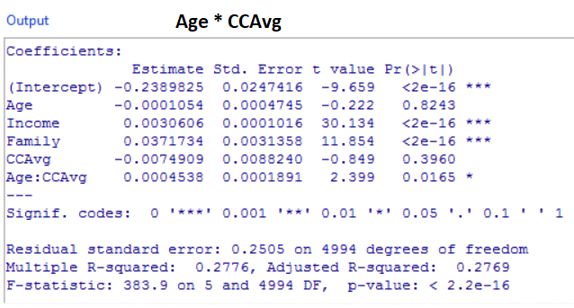
F-statistic: 382.3 on 5 and 4994 DF, p-value: < 2.2e-16

FAM-CC
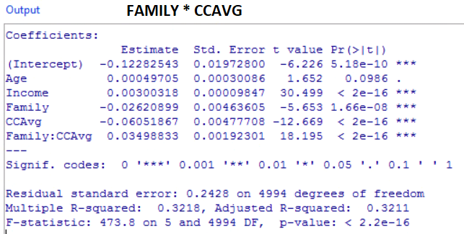
DUMMY: > STATISTICS> FIT MODELS> LINEAR MODEL |  |  |  |  |  | VARIABLES | COEFFICIENT | VALUE | COEFF*VALUE
MODERATING EFFECT CHANGING SLOPE DEPENDING ON AGE |  |  |  |  |  | (Intercept) | -0.12282543 | 1 | -0.12282543
LINEAR MODEL W/FAMILY * CCAVG |  |  |  |  |  | Age | 0.00049705 | 40 | 0.019882
Coefficients: | Estimate | Std. Error | z value | Pr(>|z|) |  | Income | 0.00300318 | 80 | 0.2402544
(Intercept) | -0.12282543 | 0.01972800 | -6.226 | 5.18E-10 |  | Family | -0.26620899 | 5 | -1.33104495
Age | 0.00049705 | 0.00030086 | 1.652 | 0.0986 |  | CCAvg | -0.06051867 | 2 | -0.12103734
Income | 0.00300318 | 0.00009847 | 30.499 | < 2e-16' |  | Age:Income | 0.3498833 | ?? | ??
Family | -0.26620899 | 0.00463605 | -5.653 | < 2e-16'
CCAvg | -0.06051867 | 0.00477708 | -12.669 | 1.66E-08 |  |  |  | SUM | -1.31477132
Family:CCAvg | 0.3498833 | 0.00192301 | 18.198 | < 2e-16' | <<slope |  |  | EXP(SUM) | 0.26853572497
slope: | 0.35038035 |  |  |  |  |  |  | PROBABILITY | 0.2117
Residual standard error: 0.2428 on 4994 degrees of freedom
Multiple R-squared: 0.3218, |  | Adjusted R-squared: 0.3211
F-statistic: 473.8 on 5 and 4994 DF, p-value: < 2.2e-16

INC-CC
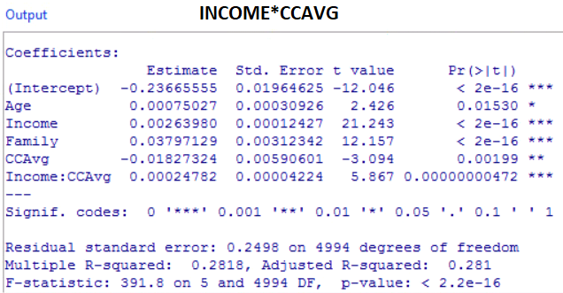
DUMMY: > STATISTICS> FIT MODELS> LINEAR MODEL |  |  |  |  |  | VARIABLES | COEFFICIENT | VALUE | COEFF*VALUE
MODERATING EFFECT CHANGING SLOPE DEPENDING ON AGE |  |  |  |  |  | (Intercept) | -0.23665555 | 1 | -0.23665555
LINEAR MODEL W/INCOME*CCAVG |  |  |  |  |  | Age | 0.00075027 | 40 | 0.0300108
Coefficients: | Estimate | Std. Error | z value | Pr(>|z|) |  | Income | 0.0026398 | 80 | 0.211184
(Intercept) | -0.23665555 | 0.01964625 | -12.046 | < 2e-16' |  | Family | 0.03797129 | 5 | 0.18985645
Age | 0.00075027 | 0.00030926 | 2.426 | 0.0153 |  | CCAvg | -0.01827324 | 2 | -0.03654648
Income | 0.0026398 | 0.00012427 | 21.243 | < 2e-16' |  | Age:Income | 0.00024782 | ?? | ??
Family | 0.03797129 | 0.00312342 | 12.157 | < 2e-16'
CCAvg | -0.01827324 | 0.00590601 | -3.094 | 1.99E-03 |  |  |  | SUM | 0.15784922
Income:CCAvg | 0.00024782 | 0.00004224 | 5.867 | 4.72E-09 | <<slope |  |  | EXP(SUM) | 1.1709896196
slope: | 0.00099809 |  |  |  |  |  |  | PROBABILITY | 0.5394
Residual standard error: 0.2498 on 4994 degrees of freedom
Multiple R-squared: 0.2818, |  | Adjusted R-squared: 0.281
F-statistic: 391.8 on 5 and 4994 DF, p-value: < 2.2e-16

